Automation Test 1
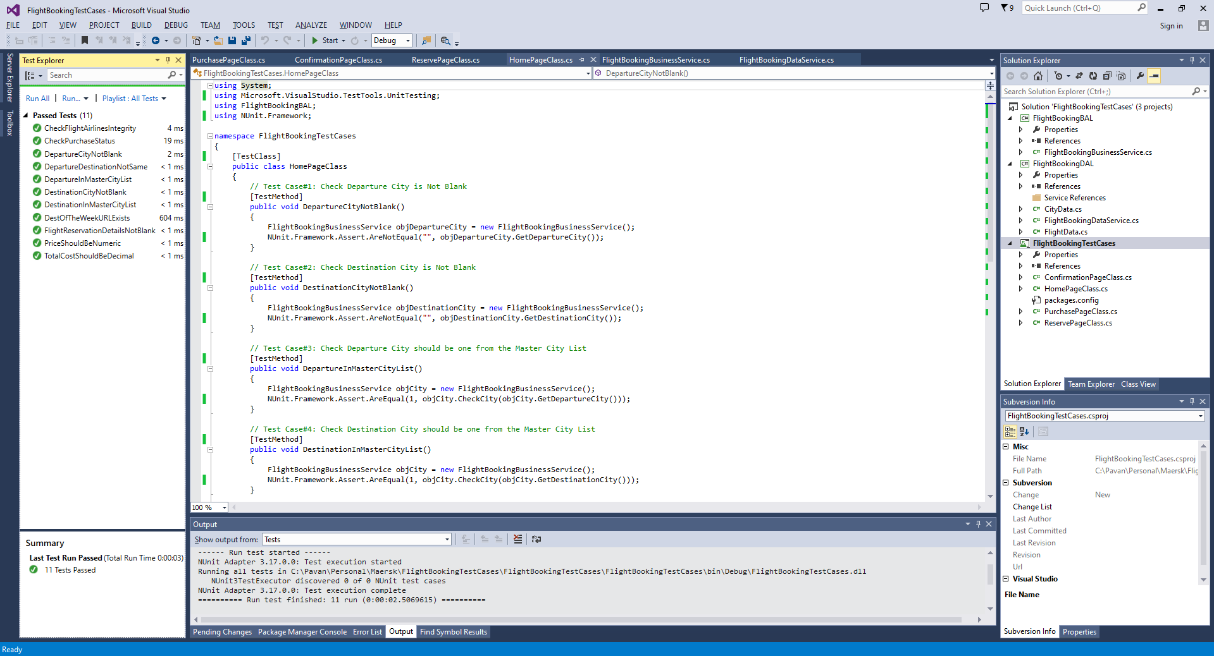
Automation Test 1 : https://blazedemo.com/ - Using Nunit TDD/BDD approah
SI No | WebPage Class | Action | Category | Test Case | Automated | Remarks
1 | HomePageClass | Click on Find Flights | Data Availability Check | Departure should NOT be Blank | Yes | TestMethod : DepartureCityNotBlank()
2 |  |  |  | Destination should NOT be Blank | Yes | TestMethod : DestinationCityNotBlank()
3 |  |  | Data Integrity Check | Departure should be the one from the Master City List | Yes | TestMethod : DepartureInMasterCityList()
4 |  |  |  | Destination should be the one from the Master City List | Yes | TestMethod : DestinationInMasterCityList()
5 |  |  | Duplicate Check | Departure and Destination should NOT be same | Yes | TestMethod : DepartureDestinationNotSame()
6 |  |  | URL Check | Check if the URL "destination of the week! The Beach!" exists | Yes | TestMethod : DestOfTheWeekURLExists()
7 | ReservePageClass | Click on Choose This Flight | Data Availability Check | Check if any Flight#, Airline, Price, Departs, Arrives are NOT Blank | Yes | TestMethod : FlightReservationDetailsNotBlank()
8 |  |  | Airline Data Integrity Check | Airline is one of the list of pre-defined existing Airlines | No | Similar logic as TC 3
9 |  |  | Flight# Data Integrity Check | Flight# should be existing in the Selected Airline Master list | Yes | TestMethod : CheckFlightAirlinesIntegrity()
10 |  |  | Price Data Integrity Check | Price should be Decimal | Yes | TestMethod : PriceShouldBeNumeric()
11 | PurchasePageClass | Click on Purchase Flight | Data Availability Check | Check if any Name, Address, City, State, Zipcode, Credit Card No, Name on Card, Month, Year, Total Cost should NOT be Blank | No | Similar logic as TC 7
12 |  |  | Data Integrity Check | Credit Card Number, Month, Year should be Numeric | No | Similar logic as TC 10
13 |  |  |  | Credit Card number is Valid - Should be checked against the card provider | No
14 |  |  |  | Name on Card is Valid - Should be checked against card provider | No
15 |  |  | Total Cost Data Integrity Check | Total Cost should be Decimal | Yes | TestMethod : CheckPurchaseStatus()
16 |  |  | Month Data Integrity Check | Month should be greater than the current month in the year Month should be lesser than the card expiration month | No
17 |  |  | Year Data Integrity Check | Year should be gretaer than current year Year should be lesser than the card expiration year | No
18 |  |  | TaxTariff Data Integrity Check | Arbitrary Fees and Taxes Calculation - should be checked against the tax and fee tariff | No
19 | ConfirmationPageClass | Click on Purchase Flight | Data Availability Check | Confirmation "Id" and Status should NOT be Blank | No | Similar logic as TC 7
20 |  |  | Data Integrity Check | Status should be "PendingCapture" on confirmation after Successful Purchase | Yes | TestMethod : TotalCostShouldBeDecimal()
21 | More Test cases can be added if the functionality of the product is increased like below: Include dates for selection Include seats for selection Include availability of seats Include meals options Include class for seats selection etc.. |  |  |  | No
 |  |  |  |  | No
 |  |  |  |  | No
 |  |  |  |  | No
 |  |  |  |  | No
 |  |  |  |  | No
 |  |  |  |  | No

